Treatment threshold graphs
 |  | Treatment threshold graph for babies with neonatal jaundice
Baby's name |  |  | Date of birth

Hospital number |  | Time of birth | Direct Antiglobulin Test
 |  |  |  | Click below and choose gestation
Shade for phototherapy | Baby's blood group |  | Mother's blood group | 34 | weeks gestation
 | Phototherapy | Exchange Transfusion
0.00 | 40 | 80
0.25 | 56.666666667 | 101.66666667
0.50 | 73.333333333 | 123.33333333
0.75 | 90 | 145
1.00 | 106.66666667 | 166.66666667
1.25 | 123.33333333 | 188.33333333
1.50 | 140 | 210
1.75 | 156.66666667 | 231.66666667
2.00 | 173.33333333 | 253.33333333
2.25 | 190 | 275
2.50 | 206.66666667 | 296.66666667
2.75 | 223.33333333 | 318.33333333
3.00 | 240 | 340
3.25 | 240 | 340
3.50 | 240 | 340
3.75 | 240 | 340
4.00 | 240 | 340
4.25 | 240 | 340
4.50 | 240 | 340
4.75 | 240 | 340
5.00 | 240 | 340
5.25 | 240 | 340
5.50 | 240 | 340
5.75 | 240 | 340
6.00 | 240 | 340
6.25 | 240 | 340
6.50 | 240 | 340
6.75 | 240 | 340
7.00 | 240 | 340
7.25 | 240 | 340
7.50 | 240 | 340
7.75 | 240 | 340
8.00 | 240 | 340
8.25 | 240 | 340
8.50 | 240 | 340
8.75 | 240 | 340
9.00 | 240 | 340
9.25 | 240 | 340
9.50 | 240 | 340
9.75 | 240 | 340
10.00 | 240 | 340
10.25 | 240 | 340
10.50 | 240 | 340
10.75 | 240 | 340
11.00 | 240 | 340
11.25 | 240 | 340
11.50 | 240 | 340
11.75 | 240 | 340
12.00 | 240 | 340
12.25 | 240 | 340
...

Title page
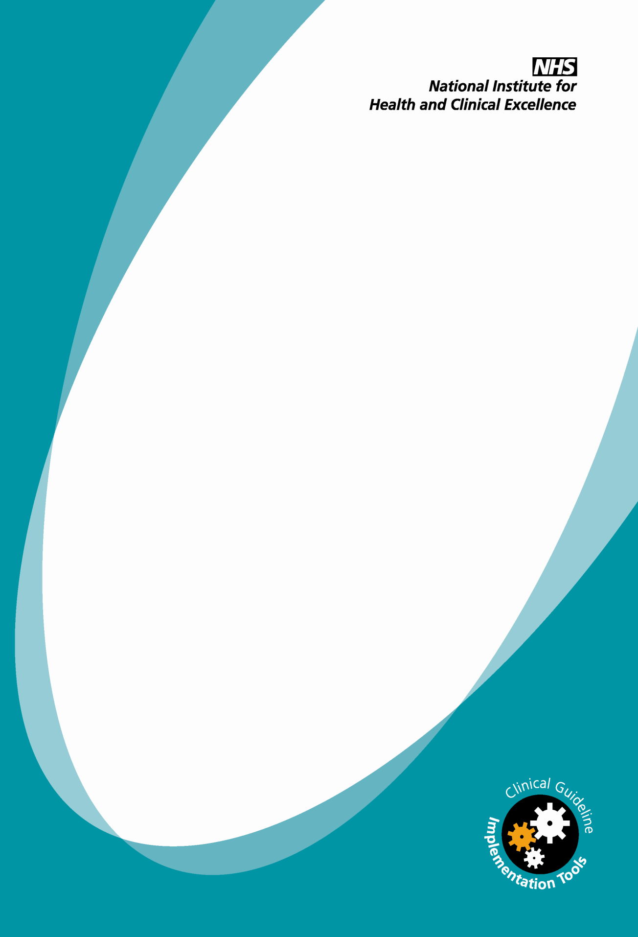

Neonatal jaundice
Treatment threshold graphs
Graphs for assessing whether to treat neonatal jaundice by phototherapy or exchange transfusion

NICE clinical guideline 98

Acknowledgements
The NCC-WCH and the Guideline Development Group (GDG)would like to thank Dr Giles Kendall MBBS, BSc(hons), MRCPCH PhD Academic Clinical Lecturer Neonatal Medicine University College London / University College London Hospital NHS Foundation Trust, T J Cole, Professor of Medical Statistics, MRC Centre of Epidemiology for Child Health, UCL Institute of Child Health and Janet Rennie, Consultant and Senior Lecturer in Neonatal Medicine, Elizabeth Garrett Anderson Institute for Women's Health, University College London NHS Foundation Trust London for allowing the GDG to adapt their excel spreadsheet in developing the treatment threshold graphs included in this guideline.

Instructions
Treatment threshold graphs for neonatal jaundice - Instructions
These treatment threshold graphs will help healthcare professionals assess whether babies with jaundice should be given phototherapy or exchange transfusion. Please access the graphs directly from the NICE website to ensure that you are using the correct version of them.
Click on the 'Treatment threshold graphs' tab to access the graphs. The sheet contains a treatment graph for each gestational age. Before printing, use the drop-down menu that is marked in red to choose the graph for the correct gestational age for each baby with jaundice.
Print off the graph and keep it with the baby’s notes. Plot the baby’s bilirubin level on the graph each time it is measured, against the baby's age. Each line on the horizontal (x) axis is equal to 6 hours and each line on the vertical (y) axis is equal to 10 micromol/ litre. Assess whether the threshold for either phototherapy or exchange transfusion has been reached. Refer to the NICE neonatal jaundice guideline for detailed recommendations about the treatment of neonatal jaundice www.nice.org.uk/guidance/CG98/QuickRefGuide. Shade the 'single' or 'multiple' cells to show the type of phototherapy that the baby is receiving on each day.
Following a query to NICE about how the treatment threshold graphs for babies with jaundice should be used, please note: The graph that reflects the baby’s actual gestational age should continue to be used until the baby is 14 days old. The baby’s 'corrected’ gestational age should not be taken into consideration, and you should not move up to the next graph when the baby is 7 days old. For example, for a baby of 35 weeks’ gestation, the 35-week gestation graph should be used until the baby is aged 14 days. Please note that the NICE guideline does not cover treatment with phototherapy and exchange transfusion for babies older than 14 days. Trusts should therefore agree their own policy about when to treat babies over 14 days with phototherapy and exchange transfusion.
The NICE neonatal jaundice guideline and all implementation tools can be found at www.nice.org.uk/guidance/CG98

Where to find the guidance
Where to find the guidance
The NICE neonatal jaundice guideline contains recommendations about the recognition, assessment and treatment of neonatal jaundice.
You can download the following documents from www.nice.org.uk/ guidance/CG98.
• The NICE guideline – all the recommendations
• The full guideline – all the recommendations, details of how they were developed and summaries of the evidence they were based on
• The quick reference guide – a summary of the recommendations for healthcare professionals (www.nice.org.uk/guidance/CG98/QuickRefGuide)
• ‘Understanding NICE guidance’ – a version of the guideline for parents and carers
For printed copies of the quick reference guide or ‘Understanding NICE
guidance’ phone NICE publications on 0845 003 7783 or email
publications@nice.org.uk and quote:
• N2143 – (quick reference guide)
• N2144 – (‘Understanding NICE guidance’)
Other implementation tools are available from the NICE website:
• slide set
• parent information factsheet
• audit tools
• costing tools
National Institute for Health and Clinical Excellence
71 High Holborn
London
WC1V 6NA
www.nice.org.uk

